Solver_Example
Use Solver to find the roots (solution) of this equation

Rearrange to the form f(x) = 0

Plot the function

 | x | f(x)
 | 0 | -9
 | 0.4 | -2.536
 | 0.8 | 1.112
 | 1.2 | 2.328
 | 1.6 | 1.496
 | 2 | -1
 | 2.4 | -4.776
 | 2.8 | -9.448
 | 3.2 | -14.632
 | 3.6 | -19.944
 | 4 | -25
 | 4.4 | -29.416
 | 4.8 | -32.808
 | 5.2 | -34.792
 | 5.6 | -34.984
 | 6 | -33
Using Solver for a NLE
(1) Make a guess for x.
(2) Put the function in residual form and code it in f(x).
(3) Code sum of squared error.
(4) Use solver to minimize SSE.
 | 6.4 | -28.456
 | 6.8 | -20.968
 | 7.2 | -10.152
 | 7.6 | 4.376

 | x | f(x) | SSE
 | 6.440E-01 | 0.000E+00 | 0.000E+00
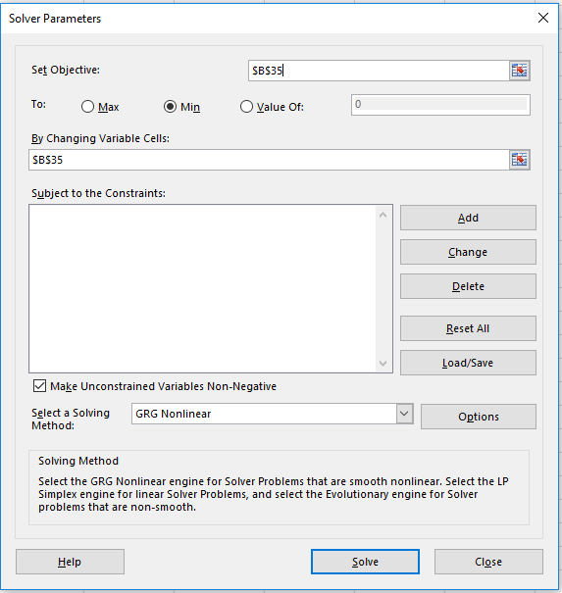

Solver_Activity
Find solution (x,y) that satisfy these 2 eqns

Plot the functions
Equation 1 |  |  | Equation 2
x1 | x2 |  | x1 | x2
-3 | 2 |  | -3 | -3
-2.5 | 0.75 |  | -2.5 | -2
-2 | 0 |  | -2 | -1
-1.5 | -0.25 |  | -1.5 | 0
-1 | 0 |  | -1 | 1
-0.5 | 0.75 |  | -0.5 | 2
0 | 2 |  | 0 | 3
0.5 | 3.75 |  | 0.5 | 4
1 | 6 |  | 1 | 5
1.5 | 8.75 |  | 1.5 | 6
2 | 12 |  | 2 | 7
2.5 | 15.75 |  | 2.5 | 8
3 | 20 |  | 3 | 9

Objective Function: Sum of Square Error of f1 and f2
x1 |  | f1 |  | err1^2
x2 |  | f2 |  | err2^2
 |  |  |  | SSE
--> Solver
Minimize Sum of Squared Error by varying x1, x2

Solver_Activity_Key
Find solution (x,y) that satisfy these 2 eqns |  |  |  |  |  | Rewrite this as f(x)=0, where f is a vector and x is a vector
 |  |  |  |  |  | Let x --> x1, and y --> x2

Plot the functions
Equation 1 |  |  | Equation 2
x1 | x2 |  | x1 | x2
-3 | 2 |  | -3 | -3
-2.5 | 0.75 |  | -2.5 | -2
-2 | 0 |  | -2 | -1
-1.5 | -0.25 |  | -1.5 | 0
-1 | 0 |  | -1 | 1
-0.5 | 0.75 |  | -0.5 | 2
0 | 2 |  | 0 | 3
0.5 | 3.75 |  | 0.5 | 4
1 | 6 |  | 1 | 5
1.5 | 8.75 |  | 1.5 | 6
2 | 12 |  | 2 | 7
2.5 | 15.75 |  | 2.5 | 8
3 | 20 |  | 3 | 9

Objective Function: Sum of Square Error of f1 and f2
x1 | 0.61802737416 | f1 | 1.0631891607E-06 | err1^2 | 1.1303711915E-12
x2 | 4.2360388945 | f2 | 1.5853812942E-05 | err2^2 | 2.5134338479E-10
 |  |  |  | SSE | 2.5247375598E-10
--> Solver
Minimize Sum of Squared Error by varying x1, x2

