Prob3a
Following example on web page:
http://www.real-statistics.com/regression/confidence-and-prediction-intervals/

$$s_{yx}={\left(\frac{1}{n−2}\left[\sum_{i=1}^{n}{{\left(Y_{i}−\overline{Y}\right)}^{2}−\frac{{\left[\sum_{i=1}^{n}{\left(X_{i}−\overline{X}\right)\left(Y_{i}−\overline{Y}\right)}\right]}^{2}}{\sum_{i=1}^{n}{{\left(X_{i}−\overline{X}\right)}^{2}}}}\right]\right)}^{0.5}$$
x | Y | (x-xbar)^2 | (y-ybar)^2 | (x-xbar)*(y-ybar)
5 | 80 | 207.36 | 41.817777778 | -93.12
23 | 78 | 12.96 | 19.951111111 | 16.08
25 | 60 | 31.36 | 183.15111111 | -75.786666667 |  | STEYX | 7.9746827307 | 7.9746827307 | Using STEYX(Yarray,Xarray)
48 | 53 | 817.96 | 421.61777778 | -587.25333333
17 | 85 | 5.76 | 131.48444444 | -27.52
8 | 84 | 129.96 | 109.55111111 | -119.32
4 | 73 | 237.16 | 0.28444444444 | 8.2133333333
26 | 79 | 43.56 | 29.884444444 | 36.08
11 | 81 | 70.56 | 55.751111111 | -62.72
19 | 75 | 0.16 | 2.1511111111 | -0.58666666667
14 | 68 | 29.16 | 30.617777778 | 29.88
35 | 72 | 243.36 | 2.3511111111 | -23.92
29 | 58 | 92.16 | 241.28444444 | -149.12
4 | 92 | 237.16 | 341.01777778 | -284.38666667
23 | 65 | 12.96 | 72.817777778 | -30.72

n= | 15
deg of freedom | 13
Xbar= | 19.4
Ybar= | 73.533333333
X0= | 20
Sum(x-xbar) |  | 2171.6 | 2171.6 | Using DEVSQ(Xdata)
Sum(y-ybar)^2 |  | 1683.7333333 | 1683.7333333 | Using DEVSQ(Ydata)
Sum(x-xbar)*(y-ybar) |  |  | -1364.2
(sum(x-xbar)*(y-ybar))^2 |  |  | 1861041.64
m= | -0.6282
b= | 85.72042
$${\hat{Y}}_{0} ±S_{\hat{Y}}t_{n−2,1−α}$$

$$S_{\hat{Y}}= {\left(\frac{1}{n}+\frac{{\left(X_{0}−\overline{X}\right)}^{2}}{\sum_{i=1}^{n}{{\left(X_{i}−\overline{X}\right)}^{2}}}\right)}^{0.5}s_{yx}$$
Using the equation
x= | 20 | mV
y= | 73.15642 | 73.15641309 |  |  | 4.8
r^2= | 0.50898 | not good fit |  |  | 4.2

At x=20, y= |  | 73.2 |  | i.e., + | 4.8
From Igor plot, UC= |  | 78 |  | and - | 4.2 | S_Y= | 2.0616127069
LC= |  | 69 |  |  |  | t= | 2.1603686565 | Using T.INV.2T(.05,13)
 |  |  |  |  |  | Plus/minus= | 4.4538434737
Note: r^2 can be found in Excel or in Igor in the line commands box |  |  |  |  |  | UC= | 77.61
 |  |  |  |  |  | LC= | 68.70
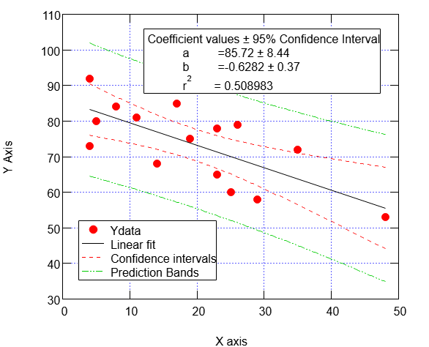
78
69

